Introduction
EBMUD Rebate Eligibility Plant Database |  | Last Updated 08-10-2023
Introduction: Welcome to our working plant database! This database lists whether or not specific plants are eligible for EBMUD Lawn Conversion Rebates. The data referenced in this spreadsheet comes from the Water Use Classification of Landscape Species (WUCOLS) database, Calscape, Top EBMUD Low-Water Use Plants List, and various other resources. Please follow the instructions below on how to search for plants and filter results by category.

See our website at ebmud.com/lawntogarden for more information on the EBMUD Landscape Rebate Program.

Note: If a plant is not listed in this database, that does not mean it is not rebate eligible. You are still welcome to include it on your rebate application, and if you would like to request any changes, updates, or additions to this list, please send an email to the contact below and include a source.

Contact information: | kahtarina.kljavin@ebmud.com
Commonly Used Resources:
Water Use Classification of Landscape Species (WUCOLS)
California Native Plant Society Calscape
California Invasive Plant Council (Cal-IPC)
Top EBMUD Low-Water Use Plants List

INSTRUCTIONS
1) How to Search for Eligible Plants:

Step 1. | Select the 'All Plants' tab towards the bottom left of the spreadsheet.

Step 2. | On your keyboard, press the CTRL and F keys to bring up the 'Find and Replace' menu.
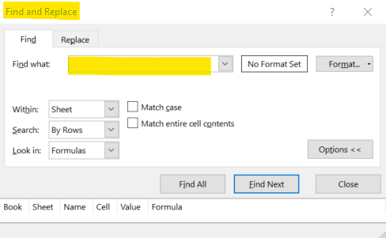

Step 3. | Type in the plant you are looking for (botanical or common name). Note that you can type in the name partially, and it should still come up with results to review.

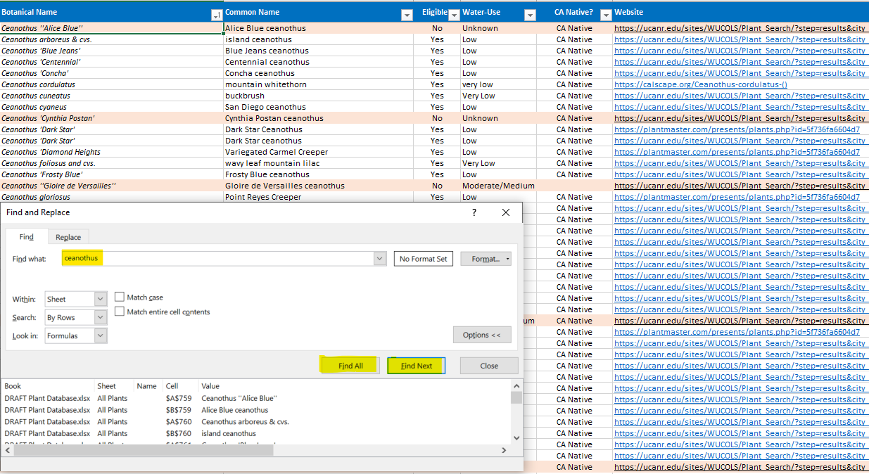

Step 4. | Click "Find All" to review all possible search results, or click "Find Next" to review them individually.

2) How to Filter Columns (i.e., see ONLY eligible plants and/or CA Native plants):

Step 1. | In the column titled "Eligible?" click the drop down menu, and de-select "No" and "(Blanks)" so that only plants with "Yes" display. Hit "OK" or press enter on your keyboard. The plant list will now only contain eligible plants.

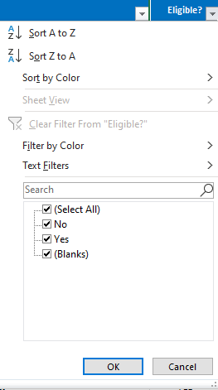
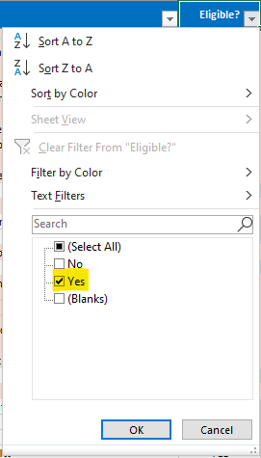

Step 2. | In the column titled "CA Native?" click the drop down menu, and de-select "(Blanks)" so that only plants with "CA Native" display. Hit "OK" or press enter on your keyboard. The plant list will now only contain plants native to California.

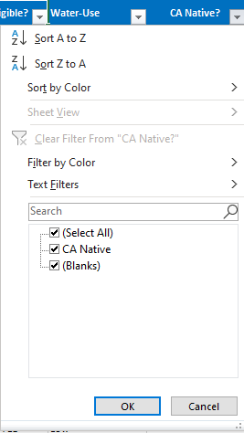
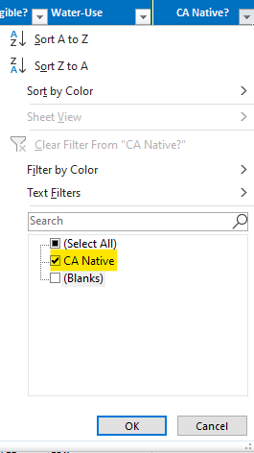

Notes: | With both of the above filters applied, only eligible, native plants to California will be displayed. Feel free to toggle the filters on other columns as well!

